Quiz Sheet
1). The product of an object's mass and it's velocity. |  |  |  |  |  |  |  |  |  |  |  |  |  |  |  |  | 1 | 0 | 0 | T6CP | NUM6CP | QUESTS |  | ANSWER KEY ANSWER KEY ANSWER KEY ANSWER KEY
 | 1). Elastic collision |  |  |  |  |  |  |  |  |  |  | Level 1 Questions |  |  |  |  | 1 | 1 | 1 | T6CP | 656 | QUESTS |  | 1 | A | [check arrows on diagram]
 | 2). Impulse |  |  |  |  |  |  |  |  |  |  |  |  |  |  | 656_75_387_333_237_24__5_5_0_-1.5_15_5_1.4_-1.2_2_0.0049_1.4_0.27_77_1300_1970_13_4_0.46_17_0.016_489_2_1528_2231_12.069_30 | 1 | 2 | 2 | T6CP | 656 | QUESTS |  | 1 | B | BEFORE Ball 1 momentum = 0 kg m/s |  | 656_75_387_333_237_24__5_5_0_-1.5_15_5_1.4_-1.2_2_0.0049_1.4_0.27_77_1300_1970_13_4_0.46_17_0.016_489_2_1528_2231_12.069_30
 | 3). Conservation of energy |  |  |  |  |  |  |  |  |  |  |  |  |  |  |  | 1 | 3 | 3 | T6CP | 656 | QUESTS |  |  |  | BEFORE Ball 2 momentum = -7.5 kg m/s
 | 4). Inelastic collision |  |  |  |  |  |  |  |  |  |  |  |  |  |  |  | 1 | 4 | 4 | T6CP | 656 | QUESTS |  |  |  | AFTER Ball 1 momentum = -7.5 kg m/s
 | 5). Conservation of momentum |  |  |  |  |  |  |  |  |  |  |  |  |  |  |  | 1 | 5 | 5 | T6CP | 656 | QUESTS |  |  |  | AFTER Ball 2 momentum = 0 kg m/s
 | 6). Momentum |  |  |  |  |  |  |  |  |  |  |  |  |  |  |  | 1 | 6 | 6 | T6CP | 656 | QUESTS | <---ANS 6 | 1 | C | AFTER Ball 2 velocity = 0 m/s

2). A collision in which kinetic energy is conserved. (bounce) |  |  |  |  |  |  |  |  |  |  |  |  |  |  |  |  | 2 | 0 | 0 | T6CP | NUM6CP | QUESTS |  | 2 | A | [check arrows on diagram]
 | 1). Impulse |  |  |  |  |  |  |  |  |  |  |  |  |  |  |  | 2 | 1 | 1 | T6CP | 75 | QUESTS |  | 2 | B | BEFORE Ball 3 momentum = 21 kg m/s
 | 2). Elastic collision |  |  |  |  |  |  |  |  |  |  |  |  |  |  |  | 2 | 2 | 2 | T6CP | 75 | QUESTS | <---ANS 2 |  |  | BEFORE Ball 4 momentum = -6 kg m/s
 | 3). Momentum |  |  |  |  |  |  |  |  |  |  |  |  |  |  |  | 2 | 3 | 3 | T6CP | 75 | QUESTS |  |  |  | AFTER Ball 3 momentum = 1.5 kg m/s
 | 4). Conservation of momentum |  |  |  |  |  |  |  |  |  |  |  |  |  |  |  | 2 | 4 | 4 | T6CP | 75 | QUESTS |  |  |  | AFTER Ball 4 momentum = 13.5 kg m/s
 | 5). Inelastic collision |  |  |  |  |  |  |  |  |  |  |  |  |  |  |  | 2 | 5 | 5 | T6CP | 75 | QUESTS |  | 2 | C | AFTER Ball 4 velocity = 2.7 m/s
 | 6). Conservation of energy |  |  |  |  |  |  |  |  |  |  |  |  |  |  |  | 2 | 6 | 6 | T6CP | 75 | QUESTS
 |  |  |  |  |  |  |  |  |  |  |  |  |  |  |  |  |  |  |  |  |  |  |  | 3 | A | BEFORE (L) AFTER (R)
3). In a closed system the total energy of objects remains constant. |  |  |  |  |  |  |  |  |  |  |  |  |  |  |  |  | 3 | 0 | 0 | T6CP | NUM6CP | QUESTS |  | 3 | B | [check arrows on diagram]
 | 1). Inelastic collision |  |  |  |  |  |  |  |  |  |  |  |  |  |  |  | 3 | 1 | 1 | T6CP | 387 | QUESTS |  | 3 | C | velocity of both = 5.17 m/s
 | 2). Conservation of energy |  |  |  |  |  |  |  |  |  |  |  |  |  |  |  | 3 | 2 | 2 | T6CP | 387 | QUESTS | <---ANS 2
 | 3). Impulse |  |  |  |  |  |  |  |  |  |  |  |  |  |  |  | 3 | 3 | 3 | T6CP | 387 | QUESTS |  | 4 |  | best parachute had time = 12.79
 | 4). Momentum |  |  |  |  |  |  |  |  |  |  |  |  |  |  |  | 3 | 4 | 4 | T6CP | 387 | QUESTS |  |  |  | for fall from given height longest time had lowest speed of impact, therefore the lowest force of impact, assuming equal crash time.
 | 5). Conservation of momentum |  |  |  |  |  |  |  |  |  |  |  |  |  |  |  | 3 | 5 | 5 | T6CP | 387 | QUESTS
 | 6). Elastic collision |  |  |  |  |  |  |  |  |  |  |  |  |  |  |  | 3 | 6 | 6 | T6CP | 387 | QUESTS

4). A force exerted over a time interval that causes a change in the object's momentum. |  |  |  |  |  |  |  |  |  |  |  |  |  |  |  |  | 4 | 0 | 0 | T6CP | NUM6CP | QUESTS |  | 5 |  | time of impact = 0.016 s
 | 1). Momentum |  |  |  |  |  |  |  |  |  |  |  |  |  |  |  | 4 | 1 | 1 | T6CP | 333 | QUESTS |  |  |  | force of impact = 489 N
 | 2). Conservation of energy |  |  |  |  |  |  |  |  |  |  |  |  |  |  |  | 4 | 2 | 2 | T6CP | 333 | QUESTS |  |  |  | impulse = 7.82 N s | check = 7.82 kg m/s
 | 3). Conservation of momentum |  |  |  |  |  |  |  |  |  |  |  |  |  |  |  | 4 | 3 | 3 | T6CP | 333 | QUESTS
 | 4). Impulse |  |  |  |  |  |  |  |  |  |  |  |  |  |  |  | 4 | 4 | 4 | T6CP | 333 | QUESTS | <---ANS 4 | 6 |  | final momentum = 18441.43 kg m/s
 | 5). Elastic collision |  |  |  |  |  |  |  |  |  |  |  |  |  |  |  | 4 | 5 | 5 | T6CP | 333 | QUESTS |  |  |  | initial velocity = 12.07 m/s
 | 6). Inelastic collision |  |  |  |  |  |  |  |  |  |  |  |  |  |  |  | 4 | 6 | 6 | T6CP | 333 | QUESTS |  |  |  | speed limit = 13.41 m/s
 |  |  |  |  |  |  |  |  |  |  |  |  |  |  |  |  |  |  |  |  |  |  |  |  |  | NOT SPEEDING
5). In a closed system the total momentum of objects remains constant. |  |  |  |  |  |  |  |  |  |  |  |  |  |  |  |  | 5 | 0 | 0 | T6CP | NUM6CP | QUESTS
 | 1). Conservation of momentum |  |  |  |  |  |  |  |  |  |  |  |  |  |  |  | 5 | 1 | 1 | T6CP | 237 | QUESTS | <---ANS 1
 | 2). Inelastic collision |  |  |  |  |  |  |  |  |  |  |  |  |  |  |  | 5 | 2 | 2 | T6CP | 237 | QUESTS
 | 3). Impulse |  |  |  |  |  |  |  |  |  |  |  |  |  |  |  | 5 | 3 | 3 | T6CP | 237 | QUESTS
 | 4). Conservation of energy |  |  |  |  |  |  |  |  |  |  |  |  |  |  |  | 5 | 4 | 4 | T6CP | 237 | QUESTS
 | 5). Momentum |  |  |  |  |  |  |  |  |  |  |  |  |  |  |  | 5 | 5 | 5 | T6CP | 237 | QUESTS
 | 6). Elastic collision |  |  |  |  |  |  |  |  |  |  |  |  |  |  |  | 5 | 6 | 6 | T6CP | 237 | QUESTS

6). A collision in which kinetic energy is not conserved. (stick) |  |  |  |  |  |  |  |  |  |  |  |  |  |  |  |  | 6 | 0 | 0 | T6CP | NUM6CP | QUESTS
 | 1). Conservation of momentum |  |  |  |  |  |  |  |  |  |  |  |  |  |  |  | 6 | 1 | 1 | T6CP | 24 | QUESTS
 | 2). Momentum |  |  |  |  |  |  |  |  |  |  |  |  |  |  |  | 6 | 2 | 2 | T6CP | 24 | QUESTS
 | 3). Elastic collision |  |  |  |  |  |  |  |  |  |  |  |  |  |  |  | 6 | 3 | 3 | T6CP | 24 | QUESTS
 | 4). Inelastic collision |  |  |  |  |  |  |  |  |  |  |  |  |  |  |  | 6 | 4 | 4 | T6CP | 24 | QUESTS | <---ANS 4
 | 5). Impulse |  |  |  |  |  |  |  |  |  |  |  |  |  |  |  | 6 | 5 | 5 | T6CP | 24 | QUESTS
 | 6). Conservation of energy |  |  |  |  |  |  |  |  |  |  |  |  |  |  |  | 6 | 6 | 6 | T6CP | 24 | QUESTS
 | Level 2 Questions

1. Two balls collide. The masses of the objects and some velocity quantities are provided |  |  |  |  |  |  |  |  |  |  |  |  |  |  |  | 656_75_387_333_237_24__5_5_0_-1.5_15_5_1.4_-1.2_2_0.0049_1.4_0.27_77_1300_1970_13_4_0.46_17_0.016_489_2_1528_2231_12.069_30

1
2
 |  |  |  |  |  |  | BEFORE |  | Ball |  | Mass |  | Velocity |  | Momentum |  |  |  |  |  |  | Check
 |  |  |  |  |  |  |  |  |  |  | (kg) |  | (m/s) |  | (kg m/s)
 |  |  |  |  |  |  | COLLISION |  | 1 |  | 5 |  | 0
 |  |  |  |  |  |  |  |  | 2 |  | 5 |  | -1.5

1
2
 |  |  |  |  |  |  | AFTER |  | Ball |  | Mass |  | Velocity |  | Momentum
 |  |  |  |  |  |  |  |  |  |  | (kg) |  | (m/s) |  | (kg m/s)
 |  |  |  |  |  |  | COLLISION |  | 1 |  | 5 |  | -1.5
 |  |  |  |  |  |  |  |  | 2 |  | 5 |  | ???? |  |  |  |  |  |  |  |  | 0 | 0

 | A. Draw arrows on the balls to indicate their velocities. (Positive velocity is to the right.)
 | B. Find the momentum of each ball before and after the collision.

 | C. Find the velocity of Ball 2 after the collision.

2. Two balls collide. The masses of the objects and some velocity quantities are provided

3
4
 |  |  |  |  |  |  | BEFORE |  | Ball |  | Mass |  | Velocity |  | Momentum
 |  |  |  |  |  |  |  |  |  |  | (kg) |  | (m/s) |  | (kg m/s)
 |  |  |  |  |  |  | COLLISION |  | 3 |  | 15 |  | 1.4
 |  |  |  |  |  |  |  |  | 4 |  | 5 |  | -1.2

3
4
 |  |  |  |  |  |  | AFTER |  | Ball |  | Mass |  | Velocity |  | Momentum
 |  |  |  |  |  |  |  |  |  |  | (kg) |  | (m/s) |  | (kg m/s)
 |  |  |  |  |  |  | COLLISION |  | 3 |  | 15 |  | 0.1
 |  |  |  |  |  |  |  |  | 4 |  | 5 |  | ???? |  |  |  |  |  |  |  |  | 2.7 | 2.7

 | A. Draw arrows on the balls to indicate their velocities. (Positive velocity is to the right.)
 | B. Find the momentum of each ball before and after the collision.

 | C. Find the velocity of Ball 4 after the collision.

3. A car of mass 1300 kg is going 13 m/s when it hits a stationary car of mass 1970 kg. If they stick together what is their final velocity? |  |  |  |  |  |  |  |  |  |  |  |  |  |  |  | 656_75_387_333_237_24__5_5_0_-1.5_15_5_1.4_-1.2_2_0.0049_1.4_0.27_77_1300_1970_13_4_0.46_17_0.016_489_2_1528_2231_12.069_30

 | BEFORE or AFTER? |  |  |  |  |  |  | BEFORE or AFTER?

A
B
A
B

 | A. Circle the appropriate label for the illustrations above, BEFORE or AFTER?
 | B. Draw arrows to indicate the motions of the objects.
 | C. Calculate the quantity in the question.

4. The results of tests on four parachute designs are provided in the table.

 | Parachute | Surface Area, m² |  |  |  | Shape |  | Load, kg |  |  |  | Time for 100 m drop, s
 | A | 10.63 |  |  |  | Octagon |  | 90 |  |  |  | 10.16 |  |  |  |  |  |  |  |  |  |  | 4.5175395145
 | B | 11.89 |  |  |  | Rectangle |  | 90 |  |  |  | 12.79
 | C | 10.35 |  |  |  | Ellipse |  | 90 |  |  |  | 11.61
 | D | 11.12 |  |  |  | Hexagon |  | 90 |  |  |  | 11.96

 | The design challenge for this parachute was to find a parachute that reduced, as much as possible, the force felt by a falling body colliding with the ground. According to the data, which parachute best met the challenge? Explain your answer.

 | A. Parachute A |  |  | B. Parachute B |  |  | C. Parachute C |  |  |  | D. Parachute D

 | Explanation:

5. A 0.46 kg football is thrown with a velocity of 17 m/s to the right. A stationary receiver catches the ball and brings it to rest with a force of 489 N. What is the impulse exerted on the ball by the receiver?

 | Level 3: CER Scenario

 | Scenario |  |  |  |  |  |  |  |  |  |  |  |  |  |  | 656_75_387_333_237_24__5_5_0_-1.5_15_5_1.4_-1.2_2_0.0049_1.4_0.27_77_1300_1970_13_4_0.46_17_0.016_489_2_1528_2231_12.069_30
 | On an icy day, a police officer was using his radar gun to catch speeding cars when he witnessed a rear-end collision at an intersection. The officer drew a diagram of the accident in his police report, and a reproduction of that diagram is shown below. In the diagram, each car is represented by a box with the appropriate letter labeled, and Car C represents the police cruiser. There are also some data that were collected by investigators hired by the driver of Car A. The driver of Car A claims that they were not speeding at the time of the collision.

 | Prompt
 | Based on the information the officer collected at the scene of the crime, write a scientific explanation that determines whether or not Car A was speeding when it collided with Car B. Be sure that you make a claim, provide mathematical evidence, and present reasoning based on scientific principles that can be understood by lawyers.

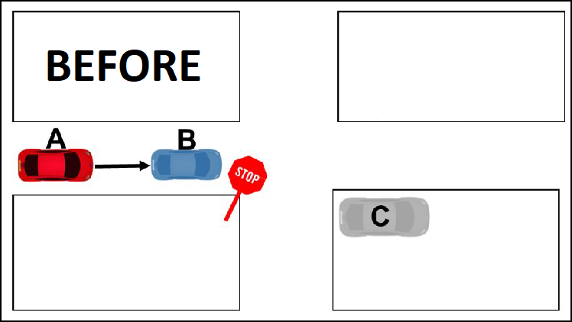
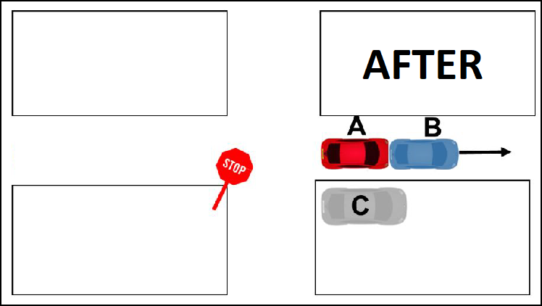

 |  |  |  |  |  |  |  |  |  |  |  |  |  |  |  |  |  |  |  |  |  | CHECK
 |  |  | Car A |  | Car B |  |  |  |  |  |  |  |  |  |  |  |  |  |  |  |  | Final Momentum
 | Model |  | Mini Cooper |  | Subaru Outback |  |  |  |  | Speed Limit |  |  |  | 13.41 m/s* |  |  |  |  |  |  |  | 18441.432
 | Mass |  | 1528 kg |  | 2231 kg |  |  |  |  | Road Conditions |  |  |  | Icy |  |  |  |  |  |  |  | Initial Velocity
 | Initial Velocity |  | Unknown |  | 0 m/s |  |  |  |  | Time of Day |  |  |  | 2/13/19 |  |  |  |  |  |  |  | 12.069
 | Final Velocity |  | 4.91 m/s |  | 4.91 m/s |  |  |  |  | * | 13.41 m/s = |  |  | 30 | mph |  |  |  |  |  |  | NOT SPEEDING
 |  |  |  |  |  |  |  |  |  |  |  |  |  |  |  |  |  |  |  |  |  | NOT SPEEDING
 | Claim:

 | Evidence:

 | Reasoning:

 | [Extra space if you need it.]
 |  |  |  |  |  |  |  |  |  |  |  |  |  |  |  | 656_75_387_333_237_24__5_5_0_-1.5_15_5_1.4_-1.2_2_0.0049_1.4_0.27_77_1300_1970_13_4_0.46_17_0.016_489_2_1528_2231_12.069_30

 | Above and Beyond

 | Kinetic energy, KE, of an object is defined to be KE=½mv². Where m is mass of the object and v² is the velocity of the object squared. The units of energy are Joules, abbreviated as 'J'

 | The total kinetic energy of a system is equal to the sum of the kinetic energies of all the objects in the system. For a collision we can find the total kinetic energy of all the objects before the collision and compare that to the total kinetic energy of all the objects after the collision.

 | Calculate the total kinetic energies, both before and after the collision, for Problems 1 and 2 on page 2, and Problem 3 on page 3. The total kinetic energy before collision for Problem 1 is calculated for you as an example. Fill in the table below, circle whether KE is conserved or not.
...

Data
...
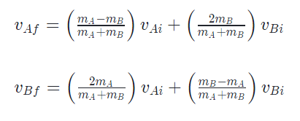
mb | vai | vbi | vaf | vbf |  | For perfectly elastic collisions |  |  | https://www.khanacademy.org/science/physics/linear-momentum/elastic-and-inelastic-collisions/a/what-are-elastic-and-inelastic-collisions
5 | 0 | -1.5 | -1.5 | 0
5 | 1.4 | -1.2 | 0.1 | 2.7

2 |  | 1 is bullet |  | mbullet | 0.0049 |  | mgun | 1.4 |  | vgun | 0.27 |  | vbullet | 77 | 252.62467192
 |  | 2 is stick |  | mcarA | 1300 |  | mcarB | 1970 |  | vcara | 13 |  | vcarab | 5.1681957187

 |  | 3. A bullet of mass 0.0049 kg is shot from a gun that has a mass of 1.4 kg. If the gun has a velocity of 0.27 m/s. What must be the velocity of the bullet?
 |  | 3. A car of mass 1300 kg is going 13 m/s when it hits a stationary car of mass 1970 kg. If they stick together what is their final velocity?

4 |  | footballmass | 0.46 |  | footballvel | 17 |  | deltat | 0.016 |  | footballforce | 489
...

